About
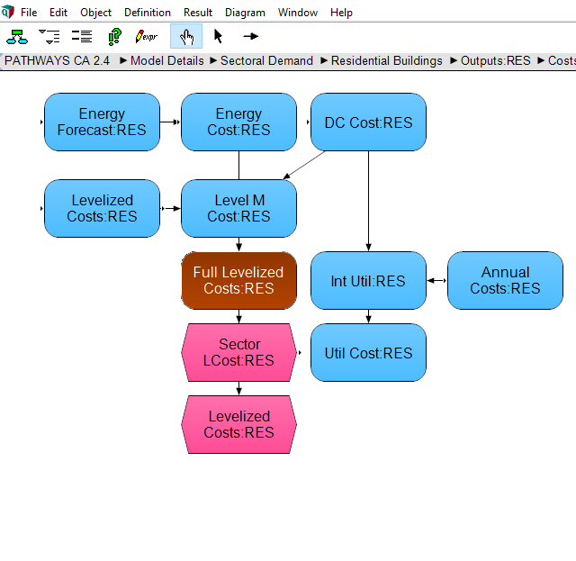
BASoBC BAU Amount Spent on Building Components

Source: | Amount Spent on Components
 | Energy + Environmental Economics, Inc.
 | California Pathways model, 2030 Scoping Plan Analysis
 | September 2017 release
 | Model documentation: https://www.arb.ca.gov/cc/scopingplan/california_pathways_model_framework_jan2017.pdf
 | Discussion of model application for Scoping Plan: https://www.arb.ca.gov/cc/scopingplan/2030sp_appd_pathways_final.pdf
 | Model itself downloadable (as of July 26, 2018): https://www.arb.ca.gov/cc/scopingplan/pathways_arb_2.4.1_101917.zip

 | Urban vs. Rural Residential Households
 | Deemed not significant for the California context
 | Following suggested convention of placing all relevant data in the urban variable/worksheet.

Note: | We draw from the Updated Reference, taking the stock cost of the mid-value levelized cost.
 | "Pathways to EPS components" shows relationships between Pathways and EPS catgories.
 | "Detailed" sheets show the specific stock cost data pulled from Pathways.
 | "Constructing" sheets show the aggregation of Pathways components into EPS categories.

Currency Year Adjustment
We adjust 2012 dollars to 2017 dollars using the following conversion factor:
1.068
See "cpi.xlsx" in the InputData folder for source information.

